IR checklist
IP DESIGN CHECKLIST
Ramschip,Inc Confidential
1. BASIC INFORMATION |  |  | COLOR DESCRIPTION (ITEM) | SCORE
Process | SF 4nm LPP |  | Item | PASS |  | 80
Project name | Voyager (ramschip internal title) |  | Customer spec & request | NG |  | 1
Customer | SEC S.LSI |  | Internal check | N.A |  | 0
Application | Display TX |  |  | Not yet |  | 13
Project manager | BJ. Lee |  |  | SCORE |  | 85%
IP design classificaiton | New design / Modification
QA manager | Mark. Kim
Target Design review | YYMMDD
MTO Schedule | Nov.1.2024 (FEOL Dry GDS) . Nov.15.2024(FEOL Final GDS)

2. DESIGN CHECK SHEET |  |  |  |  |  | VER. 1.0
CATEGORY | ITEM | PARAMETER[Symbol] / CHECK POINT | SPEC Criteria | PRODUCT (PROJECT)
 |  |  |  | CHECK RESULT | Check engineer | NAME/DATE (YY.MM.DD) | NOTE
Customer request | 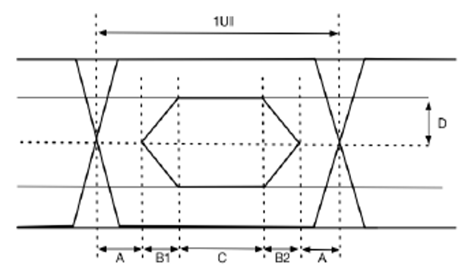 IP EYE check Note: 1) Termination is 100ohm. 2) VTX_EYE is at least 70% of set current times 100ohm. 3) The jitter measurement is done with second- order clock recovery function and a closed loop tracking bandwidth of 5MHz with a dammping 1.5 4) Jitter specification is guaranteed with 25mVpp ripple on 0.7125V mnimal VDDTX supplies (1MHz ~ 5MHz range) 5) Vod is differential voltage swing, Vod = IB-tx * (R-tx_term * R* rx-term) / (R-t x_term + R-rx_term), IB-tx is programmable Tx driving current specified in next section. | UI interval check [UI] | l 0.85 ~ 2.1Gbps : 476 ~ 1176 ps l 2.1 ~ 4.0Gbps : 250 ~ 476 ps | PASS | BJ | 2024-11-25 | DR2 자료 참고
Customer request |  | [Slope On / SSC Off] Differential Mode output jitter [A*2] | l 0.85 ~ 2.1Gbps : 0.35UI l 2.1 ~ 4.0Gbps : 0.39UI | PASS | BJ | 2024-11-25
Customer request |  | [Slope On / SSC Off] Eye shape [B1] | l 0.85 ~ 2.1Gbps : 0.28UI l 2.1 ~ 4.0Gbps : 0.40UI | PASS | BJ | 2024-11-25
Customer request |  | [Slope On / SSC Off] Eye shape [B2] | l 0.85 ~ 2.1Gbps : 0.28UI l 2.1 ~ 4.0Gbps : 0.21UI | PASS | BJ | 2024-11-25
Customer request |  | [Slope On / SSC Off] Eye shape [C] | l 0.85 ~ 2.1Gbps : 0.09UI l 2.1 ~ 4.0Gbps : 0UI | PASS | BJ | 2024-11-25
Customer request |  | [Slope On / SSC Off] Eye height [D] | l 0.85 ~ 2.1Gbps : 0.7 * VOD mV l 2.1 ~ 4.0Gbps : 0.7 * VOD mV | PASS | BJ | 2024-11-25
Customer request |  | [Slope Off / SSC Off] Differential Mode output jitter [A*2] | l 0.85 ~ 2.1Gbps : 0.35UI l 2.1 ~ 4.0Gbps : 0.39UI | PASS | BJ | 2024-11-25
Customer request |  | [Slope Off / SSC Off] Eye shape [B1] | l 0.85 ~ 2.1Gbps : 0.28UI l 2.1 ~ 4.0Gbps : 0.40UI | PASS | BJ | 2024-11-25
Customer request |  | [Slope Off / SSC Off] Eye shape [B2] | l 0.85 ~ 2.1Gbps : 0.28UI l 2.1 ~ 4.0Gbps : 0.21UI | PASS | BJ | 2024-11-25
Customer request |  | [Slope Off / SSC Off] Eye shape [C] | l 0.85 ~ 2.1Gbps : 0.09UI l 2.1 ~ 4.0Gbps : 0UI | PASS | BJ | 2024-11-25
Customer request |  | [Slope Off / SSC Off] Eye height [D] | l 0.85 ~ 2.1Gbps : 0.7 * VOD mV l 2.1 ~ 4.0Gbps : 0.7 * VOD mV | PASS | BJ | 2024-11-25
Customer request | TX Electrical Charateristics | Differential Peak-to-peak Output Voltage Swing [VDIFFp-p] Comment: <±20%, step size <50mV, With 100ohm termination and 100% bias setting | Min: 0.1V / Typ: 0.3V / Max 0.4V | PASS | BJ | 2024-11-25
Customer request | TX Electrical Charateristics | Minimum TX Eye Width at Tx package pins [TTX-EYE_CHIP] | Min: 0.65 UI | PASS | BJ | 2024-11-25
Customer request | TX Electrical Charateristics | Maximum time between the jitter median and maximum deviation from the median at Tx package pins [TTX-EYE-MEDIAN-to-MAX-JITTER CHIP] Comment: After CDR Filter (5MHz, Damp 1.5, Second Order) | Max: 0.175UI | PASS | BJ | 2024-11-25
Customer request | TX Electrical Charateristics | TX output common mode voltage control VCM definition: |Vop+Von|/2" [VCM] Comment: (<± 10%)* VCM level can changed up to supply voltage condition. Step size: 12.5mV | Min: 0.3V / Typ: 0.375V / Max 0.4V | PASS | BJ | 2024-11-25 | 𝜎<4.12mV when VCM=375mV
Customer request | TX Electrical Charateristics | Variation in VCM between 0 and 1 [ΔVCM] | Max: 14 mVrms | PASS | BJ | 2024-11-25 | rms < 0.2mV when VCM=0.375, IDRV=3mA
Customer request | TX Electrical Charateristics | Variation in VOD between 0 and 1 [ΔVOD] | Max: 30mV | PASS | BJ | 2024-11-25 | < 1mV
Customer request | TX Electrical Charateristics | TX Short Circuit Current Limit [ITX-SHORT] Comment: Total drive current of the transmitter when it is shorted to its ground. | Max: 50mA | PASS | BJ | 2024-11-25 | 17.4mA
Customer request | TX Electrical Charateristics | Differential Return Loss at 0.45Gbps at TX Package pins [RLTX_DIFF] Comment : Piecewise linear loss line between the specified points. | Max: -12dB | PASS | BJ | 2024-11-25 | -15.6
Customer request | TX Electrical Charateristics | Differential Return Loss at 0.9Gbps at TX Package pins [RLTX_DIFF] Comment : Piecewise linear loss line between the specified points. | Max: -9dB | PASS | BJ | 2024-11-25 | -12.6
Customer request | TX Electrical Charateristics | Differential Return Loss at 1.8Gbps at TX Package pins [RLTX_DIFF] Comment : Piecewise linear loss line between the specified points. | Max: -6dB | PASS | BJ | 2024-11-25 | -7.4
Customer request | TX Electrical Charateristics | Differential Return Loss at 3.0Gbps at TX Package pins [RLTX_DIFF] Comment : Piecewise linear loss line between the specified points. | Max: -4dB | PASS | BJ | 2024-11-25 | -4.3
Customer request | TX Electrical Charateristics | TX Output Capacitance [CTX_OUTPUT] | Max: 2pF | PASS | BJ | 2024-11-25 | 1.4pF
Customer request | TX Electrical Charateristics | Termination resistance [ZTX-DIFF-DC] | Min: 75 Ohm / Typ: 90 Ohm / Max 180 Ohm | PASS | BJ | 2024-11-25
Customer request | TX Electrical Charateristics | D+/D- TX Output Rise/Fall Time at Tx package pins when Slope On is enabled [TTX-RISE / TTX-FALL] Comment: At 20%-to-80% with external termination 100ohm and external cap 1.8pF | Min: 50 ps / Max 170 ps | PASS | X | 2024-11-25
Customer request | TX Electrical Charateristics | D+/D- TX Output Rise/Fall Time at Tx package pins when Slope On is disabled [TTX-RISE / TTX-FALL] Comment: At 20%-to-80% with external termination 100ohm and external cap 1.8pF | Min: 50 ps / Max 140 ps | PASS | BJ | 2024-11-25
Customer request | TX Electrical Charateristics | Intra-lane Output Skew at TX package pins [TTX-SKEW-INTRA-LANE] Comment: Informative to meet ΔVCM. | Max: 10 ps | PASS | BJ |  | >131ps skew control range w/ 6-16ps step (Total 21 steps)
Customer request | TX Electrical Charateristics | Inter-lane (within port) Output Skew at TX package pins [TTX-SKEW-INTER LANE] Comment: Max 50ps with programmability | Max: 50 ps | PASS | BJ | 2024-11-22 | >131ps skew control range w/ 6-16ps step (Total 21 steps)
Customer request | TX Electrical Charateristics | Lane Intra-pair Rise-fall Time Mismatch at TX package pins. [TTX-RISE_FALL-MISMATCH] Comment: D+ rise to D- fall mismatch and D+ fall to D- rise mismatch. | Max: 10% | NG | BJ | 2024-11-22 | 10.8% (Waive)
Customer request | TX Jitter Note: TX jitter is measured with second-order clock recovery function with a closed loop tracking bandwidth defined below and a damping factor of 1.5: BW = 5MHz with SSC off. Note: The jitter specification is guaranteed with supply peak-to-peak noise within 25mV(@2MHz) with 0.7125V at TCON VDD_TX package pin for noise frequency lower than 10MHz, and within 30mVpp(@10MHz) for noise frequency higher than 10MHz | [Slope on] VActive, 25mVpp ripple VBlank, 25mVpp ripple Transition between VActive and VBlank, 25mVpp ripple [TX_Dj] | 0.28UI | PASS |  |  | 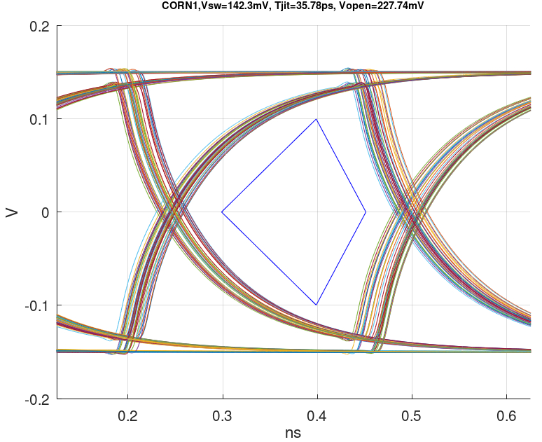 Worst Case Eye
Customer request |  | [Slope off] VActive, 25mVpp ripple VBlank, 25mVpp ripple Transition between VActive and VBlank, 25mVpp ripple [TX_Dj] | 0.24UI | PASS
Customer request |  | [Slope On/Off] VActive, 25mVpp ripple VBlank, 25mVpp ripple Transition between VActive and VBlank, 25mVpp ripple [TX_Rj] | 0.11UI | PASS
Customer request | 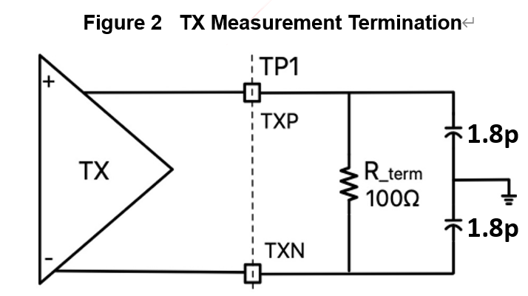 TX Termination | [Setting] 111 | 75 Ohm | PASS |  |  | Tolerance (+/-15%)
Customer request |  | [Setting] 110 | 82 Ohm | PASS
Customer request |  | [Setting] 101 | 90 Ohm | PASS
Customer request |  | [Setting] 100 | 100 Ohm | PASS
Customer request |  | [Setting] 011 | 111 Ohm | PASS
Customer request |  | [Setting] 010 | 128 Ohm | PASS
Customer request |  | [Setting] 001 | 150 Ohm | PASS
Customer request |  | [Setting] 000 | 180 Ohm | PASS
Customer request | TX Programmable Driver Current (Coarse) REG_IB_CORSE[1:0] ( Shared with all ports ) | [Setting] 00 | 1 mA | PASS | BJ |  | Max/Min=1.044/0.989
Customer request |  | [Setting] 01 | 2 mA | PASS | BJ | 2024-11-23 | Max/Min=2.046/1.982
Customer request |  | [Setting] 10 | 3 mA | PASS | BJ | 2024-11-23 | Max/Min=3.060/2.975
Customer request |  | [Setting] 11 | 4 mA | PASS | BJ | 2024-11-23 | Max/Min=4.080/3.958
Customer request | TX Programmable Driver Current (Fine) REG_IB_FINE[3:0] ( bit [3:2] Shared with all ports And bit[1:0] per port ) | [Setting] 0000 | 56% | PASS |  | 2024-11-23 | 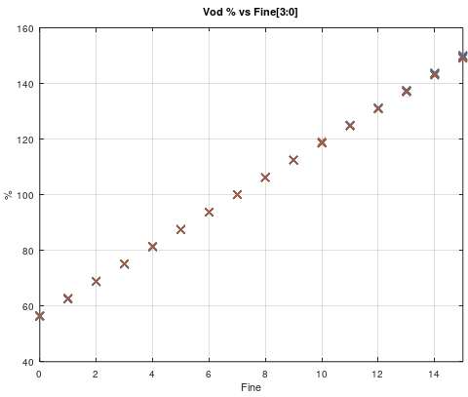
Customer request |  | [Setting] 0001 ~ 1110 | Linearly interpolate between 56% to 150% | PASS
Customer request |  | [Setting] 1111 | 150% | PASS
Customer request | Agile Clock System | Agile Clocking Change | Up to ± 1.5% | PASS |  |  | PLL DR 자료
Customer request |  | Spread Spectrum Clocking | Up to ± 2% | PASS
Customer request |  | Modulation scheme | Center spreading | PASS
Customer request |  | Modulation profile | Triangular | PASS
Customer request |  | Modulation rate | ±0.25% , ±0.5%, ± 0.75%, ±1%, ± 2% | PASS
Customer request |  | Modulation Frequency | 10KHz , 20KHz, 30KHz, 40KHz with +/- 5% error | PASS
Customer request |  | PLL Lock Time | Max 100us ( When PLL is shut down during Vblank ) | PASS
Customer request |  |  | Max 30us ( When PLL is not shut down during Vblank ) | PASS
Customer request | Power sequence [Power Up / Down] | Refer to the "1. Power sequence" tap | OK / NG | PASS |  |  | Logic DR
Customer request | Low Power Mode in VBP refer to the "2. Low power mode in VBP" tap | Normal mode + lane on/off | wake-up time 3us for each lane | PASS
Customer request |  | Low power mode Type1 | wake-up time 3us | PASS
Customer request |  | Low power mode Type2 | wake-up time 50us | PASS
Customer request |  | Low power mode Type3 | fast wake-up mode 200us, deep sleep mode 500us | PASS
Customer request | PLL input reference clock | Reference clock frequency as PLL input clock | 27MHz from X-tal | PASS |  |  | PLL DR 자료
Customer request |  | Duty spec | 45% ~ 55% | PASS
Customer request |  | Total jitter spec | TJ ± 200ps | PASS
Customer request | SSC (output data Spread Spectrum Clocking for low EMI) | Modulation Frequency | Max 40KHz | PASS
Customer request |  | Modulation ratio | Max ±2% | PASS
Customer request |  | Modulation deviation | Center spread | PASS
Customer request | Symbol clock speed | Symbol clock frequency | 4Gbps 기준: 4GHz/12 | PASS
Customer request | Lane Configuration | Number of Lanes | 1 common and Max 16 lanes | PASS
Customer request |  | Activated-lane combination | Lane selectable, 16 lanes target (2/4/6/8/10/12/14/16 lanes configurable) | PASS
Customer request |  | Lane Skew | Inter lane skew -max 1 UI @ <=12 lanes -max 1.3 UI @ >12 lanes(16 lanes) | PASS |  |  | 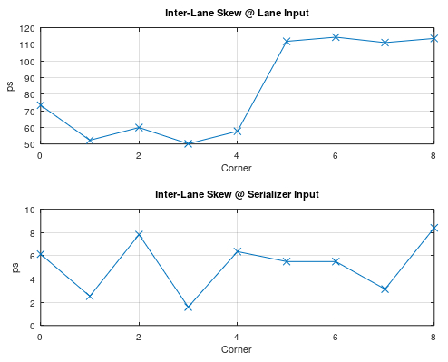
Customer request | Termination | Termination resistance | 75/82/90/100/111/128/150/180 ohm | PASS
Customer request | BIST | Built in self test | Support | PASS |  |  | Logic DR
Customer request |  | BIST pattern | PRBS7, PRBS12, User Pattern | PASS
Customer request | DFT interface | Design for test interface | SPI | PASS
Customer request | SCAN CLOCK | Shift / Capture clock | 100MHz | PASS
Customer request | APB Clock | APB operation clock | 300MHz | PASS
Customer request | P/N Swap | P/N swap function support | Support | PASS
Customer request | Jitter Injector | Periodic jitter injection function | Support | PASS
Customer request | Slew Control | Slope on/off feature to reduce the EMI effect | Support | Defer |  |  | 추후 설계 보완 예정
Internal | LDO | Drop out voltage 입력전압 1.8V 의 min 1.53V max 2.07V 에서 LDO의 출력 1.2V가 출력되는지 Check @-40C / 125C | 입력전압의 +/- 15% range에서의 LDO 출력 Check | Not yet |  |  | 설계 Spec 대비 Verificaiton결과 기록
Internal |  | Load regulation 정격 부하 전류의 +-20%에서 LDO의 출력 전압 1.2V가 출력되는지 Check | 설계 spec | Not yet |  |  | 설계 Spec 대비 Verificaiton결과 기록
Internal |  | Power supply rejection ratio 입력전압 1.8에 Ripple +-20% 를 injection 하여 출력 전압 1.2V 가 정격 출력되는지 Check | 설계 spec | Not yet |  |  | 설계 Spec 대비 Verificaiton결과 기록
Internal |  | Current limiting & short circuit protection LDO가 과전류 발생 시 보호기능 수행 여부. 과부하나 단락 발생시 회로를 보호하는 기능 구현 여부 | 설계 spec | Not yet |  |  | 설계 Spec 대비 Verificaiton결과 기록
Internal | STA | Timing check Setup / Hold time이 요구사항에 충족되었는가? | 설계 spec | PASS |  |  | 설계 Spec 대비 Verificaiton결과 기록
Internal | Driver | Output impedance matching - 드라이버 출력 임피던스가 송,수신선의 특성 임피던스에 잘 맞추어져 있는가? -. 임피던스 불일치로 인한 신호 반사 및 왜곡이 발생하지 않은가? | 설계 spec | PASS |  |  | 설계 Spec 대비 Verificaiton결과 기록
Internal |  | Signal integrity -. 고속 신호 전송에서 반사,왜곡,Jitter가 적정 수준인가? -. Crosstalk 와 EMI가 허용범위 내에 있는가? -. 신호 경로상에 Jitter 및 Skew가 적정 범위내에 있는가? | 설계 spec | PASS |  |  | 설계 Spec 대비 Verificaiton결과 기록
Internal |  | Driver swing -. 출력 전압의 Swing이 설계 목표 및 option에 따라 맞게 출력 및 조정되는가? | 설계 spec | Not yet |  |  | 설계 Spec 대비 Verificaiton결과 기록
Internal |  | Power consumption -. 드라이버의 전력 소모가 Targeting power를 만족하는가? -. Sleep mode 및 동적 전력 제어가 구현되었는가? | 설계 spec | Not yet |  |  | 설계 Spec 대비 Verificaiton결과 기록
Internal |  | Drive strength -. Driver가 외부 부하(cable/수신회로)를 충분히 구동 시킬 수 있는가? -. 과부하 또는 단락 시 보호 기능이 활성화 되어 있는가? -. Drive strength option은 Target대로 작동하는가? | 설계 spec | Not yet |  |  | 설계 Spec 대비 Verificaiton결과 기록
Internal |  | Differential signal integrity -. 차동 신호의 대칭성 및 신호 무결성이 유지되는가? -. Noise 발생은 허용치 이내인가? | 설계 spec | Not yet |  |  | 설계 Spec 대비 Verificaiton결과 기록
Internal |  | EMI / EMC -. Driver에서 발생하는 EMI는 허용된 수준 이내인가? -. 적절한 EMI Filtering 또는 Shielding이 적용되었는가? -. 인접회로에 대한 EMC가 확보되었는가? | 설계 spec | Not yet |  |  | 설계 Spec 대비 Verificaiton결과 기록
Internal |  | Driver bandwidth -. Driver가 전송할 신호 대역폭을 충분히 제공하는가? -. 고속 신호 전송 시 주파수 응답이 적절한가? | 설계 spec | Not yet |  |  | 설계 Spec 대비 Verificaiton결과 기록
Internal |  | Driver linearity -. Driver의 출력이 선형적으로 변화하여 왜곡 없이 신호가 잘 전달 될 수 있는가? -. 출력에서 Distortion 없이 신호 품질이 유지되는가? | 설계 spec | Not yet |  |  | 설계 Spec 대비 Verificaiton결과 기록
Internal |  | Output current & voltage clamping -. Driver 출력 전류 및 전압 제한 (Claming)이 설정되었는가? -. 단락 및 과전류 시 보호 동작이 구현되었는가? | 설계 spec | Not yet |  |  | 설계 Spec 대비 Verificaiton결과 기록
Internal |  | Parastic effect -. 기생 인덕턴스 및 케페시턴스가 최소화 되었는가? -. 고속 신호에서 기생효과 신호에 미치는 영향은 적절한 수준인가? | 설계 spec | Not yet |  |  | 설계 Spec 대비 Verificaiton결과 기록

1. Power sequence
POWER UP SEQUENCE
POWER DOWN SEQUENCE
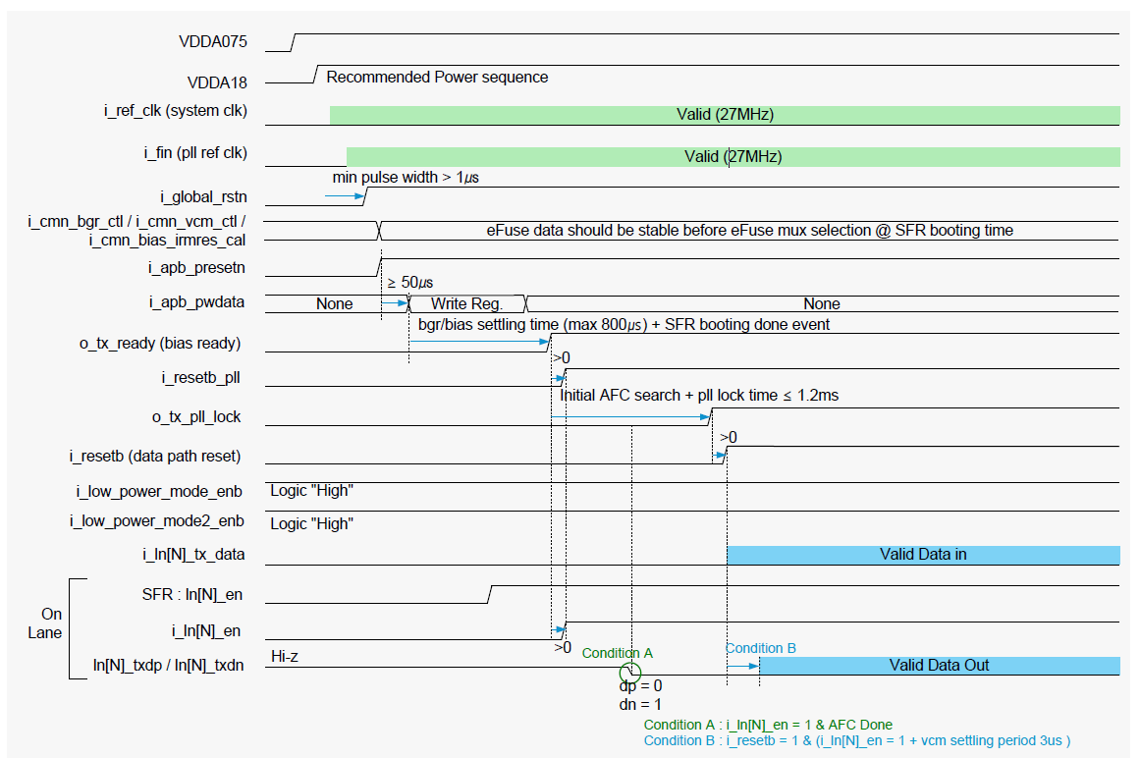

- i_resetb_pll high, after at least 500us, o_tx_pll_lock high
- after i_resetb high, valid data is entered, after 2us, valid data is out.

2. Low power mode in VBP
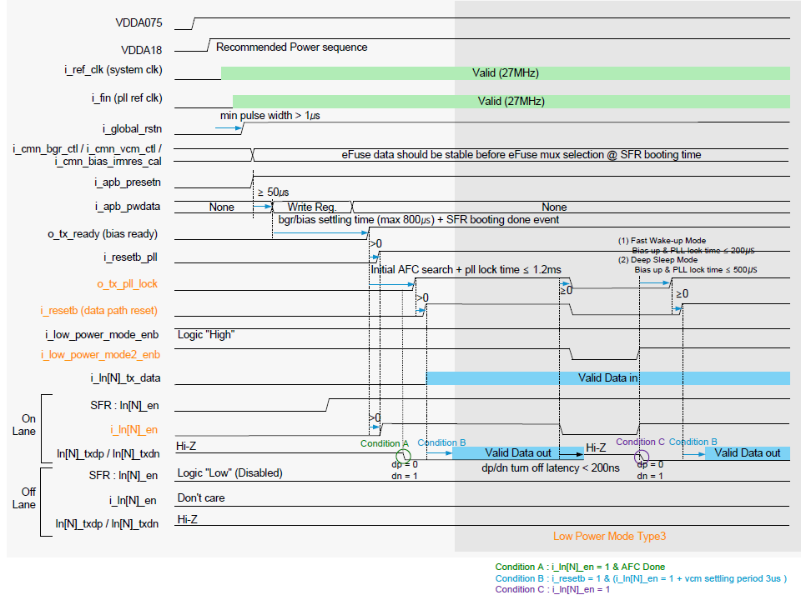
Low Power Moe in VBP
Normal mode + lane on/off : wake-up time 3us for each lane
Low power mode Type1 : wake-up time 3us
Low power mode Type2 : wake-up time 50us
Low power mode Type3 : fast wake-up mode 200us, deep sleep mode 500us

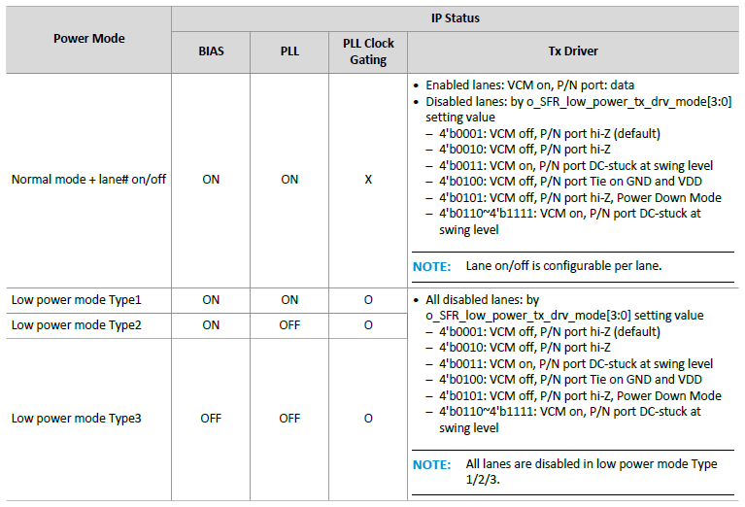

Normal mode + lane on/off

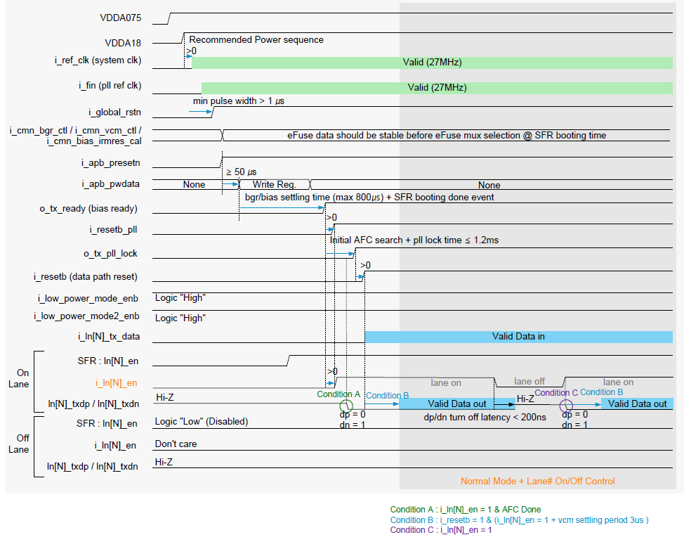

Low power mode Type1

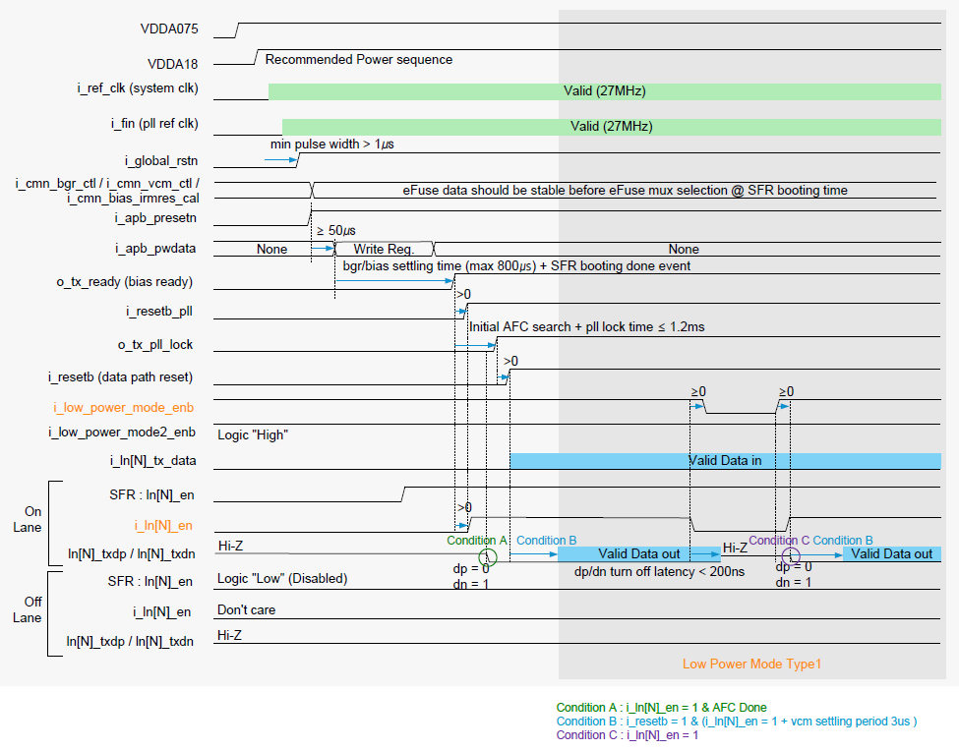

Low power mode Type2

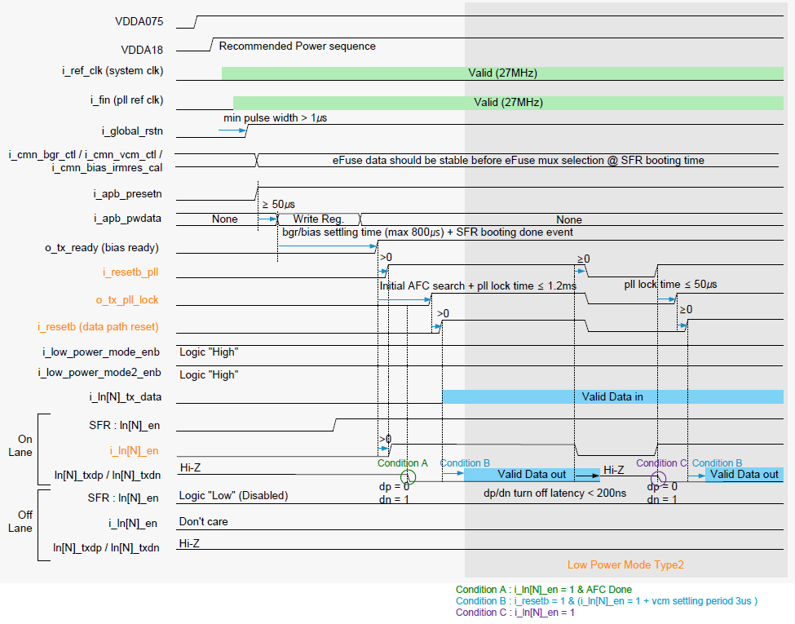

Low power mode Type3

